ratings
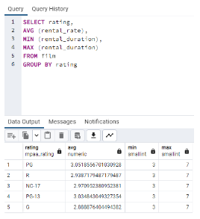
rating | Average Rental Rate
PG | 3.05185567
R | 2.938717949
NC-17 | 2.970952381
PG-13 | 3.034843049
G | 2.888876404

avg rental duration
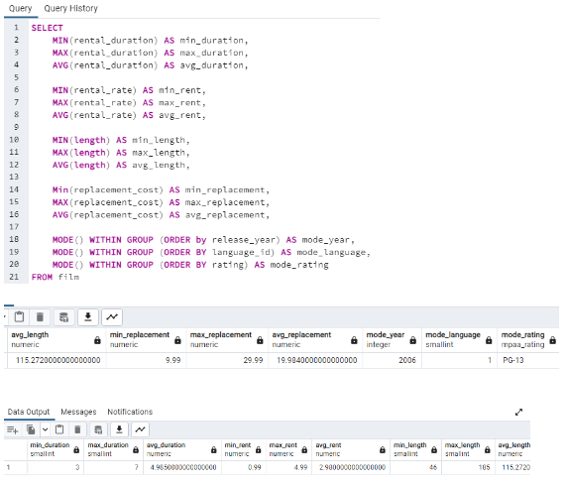

top 10 countries by count
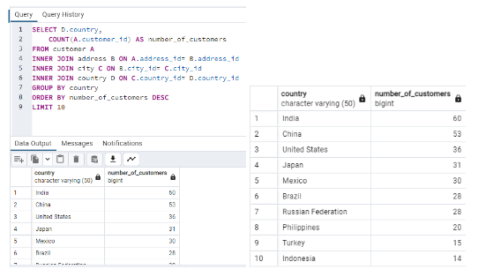

rev amount countries
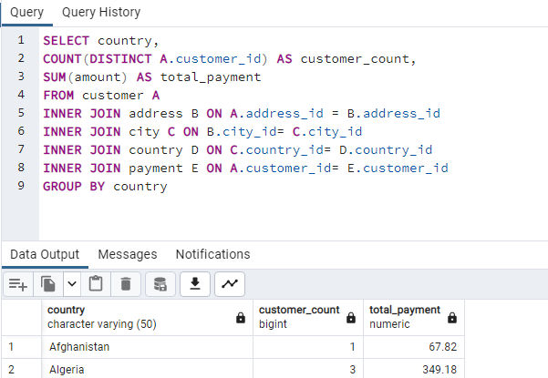
country | customer_count | total_payment
India | 60 | 6034.78
China | 53 | 5251.03
United States | 36 | 3685.31
Japan | 31 | 3122.51
Mexico | 30 | 2984.82
Brazil | 28 | 2919.19
Russian Federation | 28 | 2765.62
Philippines | 20 | 2219.7
Turkey | 15 | 1498.49
Indonesia | 14 | 1352.69
Nigeria | 13 | 1314.92
Argentina | 13 | 1298.8
Taiwan | 10 | 1155.1
South Africa | 11 | 1069.46
Iran | 8 | 877.96
United Kingdom | 9 | 850.96
Poland | 8 | 786.16
Italy | 7 | 753.26
Germany | 7 | 741.24
Vietnam | 6 | 676.45
Ukraine | 6 | 675.53
Colombia | 6 | 661.54
Egypt | 6 | 659.48
Venezuela | 7 | 632.43
Canada | 5 | 559.7
Netherlands | 5 | 557.73
South Korea | 5 | 527.77
Spain | 5 | 513.8
Yemen | 4 | 473.93
Pakistan | 5 | 473.84
Saudi Arabia | 5 | 452.94
Peru | 4 | 407.01
Thailand | 3 | 401.08
Israel | 4 | 379.13
Ecuador | 3 | 369.18
Bangladesh | 3 | 353.19
Algeria | 3 | 349.18
France | 4 | 334.12
Malaysia | 3 | 330.23
Tanzania | 3 | 322.22
Mozambique | 3 | 315.25
United Arab Emirates | 3 | 305.25
Dominican Republic | 3 | 304.26
Chile | 3 | 303.34
Austria | 3 | 284.3
Morocco | 3 | 274.35
Paraguay | 3 | 273.4
Belarus | 2 | 271.36
Latvia | 2 | 249.43
Switzerland | 3 | 248.41
Kenya | 2 | 245.49
Yugoslavia | 2 | 233.49
Puerto Rico | 2 | 224.48
Romania | 2 | 218.42
Runion | 1 | 211.55
French Polynesia | 2 | 205.52
Greece | 2 | 204.54
Sudan | 2 | 202.51
Azerbaijan | 2 | 198.53
Bulgaria | 2 | 194.52
Kazakstan | 2 | 192.51
Angola | 2 | 187.55
Cameroon | 2 | 186.49
Myanmar | 2 | 179.53
Cambodia | 2 | 179.51
Bolivia | 2 | 178.56
Congo, The Democratic Republic of the | 2 | 168.58
Oman | 2 | 161.56
Holy See (Vatican City State) | 1 | 146.68
Nauru | 1 | 143.7
Sweden | 1 | 139.67
Czech Republic | 1 | 132.72
Moldova | 1 | 127.66
Turkmenistan | 1 | 126.74
Chad | 1 | 122.72
Malawi | 1 | 121.73
Zambia | 1 | 121.7
Virgin Islands, U.S. | 1 | 121.69
Greenland | 1 | 119.72
Armenia | 1 | 118.75
Gambia | 1 | 114.73
Iraq | 1 | 111.73
Hungary | 1 | 111.71
Bahrain | 1 | 108.76
North Korea | 1 | 107.71
Brunei | 1 | 107.66
Kuwait | 1 | 106.75
Estonia | 1 | 105.72
Hong Kong | 1 | 104.76
Sri Lanka | 1 | 103.73
Liechtenstein | 1 | 99.74
Anguilla | 1 | 99.68
French Guiana | 1 | 97.8
Faroe Islands | 1 | 96.76
Senegal | 1 | 95.76
Nepal | 1 | 93.83
Tuvalu | 1 | 93.78
Madagascar | 1 | 92.79
Ethiopia | 1 | 91.77
New Zealand | 1 | 85.77
Slovakia | 1 | 80.77
Finland | 1 | 78.79
Tunisia | 1 | 73.78
Afghanistan | 1 | 67.82
Tonga | 1 | 64.84
Saint Vincent and the Grenadines | 1 | 64.82
Lithuania | 1 | 63.78
American Samoa | 1 | 47.85

rev and count by country
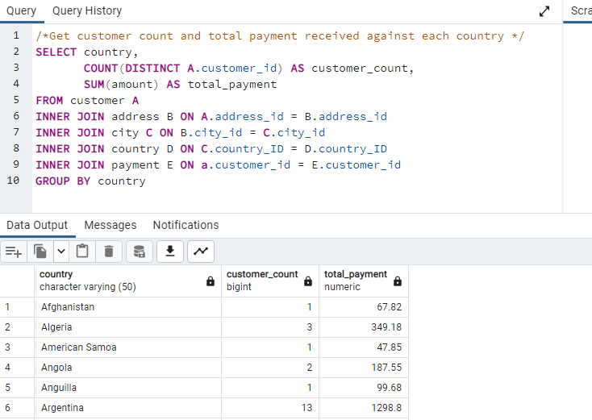
country | customer_count | total_payment
India | 60 | 6034.78
China | 53 | 5251.03
United States | 36 | 3685.31
Japan | 31 | 3122.51
Mexico | 30 | 2984.82
Brazil | 28 | 2919.19
Russian Federation | 28 | 2765.62
Philippines | 20 | 2219.7
Turkey | 15 | 1498.49
Indonesia | 14 | 1352.69
Nigeria | 13 | 1314.92
Argentina | 13 | 1298.8
Taiwan | 10 | 1155.1
South Africa | 11 | 1069.46
Iran | 8 | 877.96
United Kingdom | 9 | 850.96
Poland | 8 | 786.16
Italy | 7 | 753.26
Germany | 7 | 741.24
Vietnam | 6 | 676.45
Ukraine | 6 | 675.53
Colombia | 6 | 661.54
Egypt | 6 | 659.48
Venezuela | 7 | 632.43
Canada | 5 | 559.7
Netherlands | 5 | 557.73
South Korea | 5 | 527.77
Spain | 5 | 513.8
Yemen | 4 | 473.93
Pakistan | 5 | 473.84
Saudi Arabia | 5 | 452.94
Peru | 4 | 407.01
Thailand | 3 | 401.08
Israel | 4 | 379.13
Ecuador | 3 | 369.18
Bangladesh | 3 | 353.19
Algeria | 3 | 349.18
France | 4 | 334.12
Malaysia | 3 | 330.23
Tanzania | 3 | 322.22
Mozambique | 3 | 315.25
United Arab Emirates | 3 | 305.25
Dominican Republic | 3 | 304.26
Chile | 3 | 303.34
Austria | 3 | 284.3
Morocco | 3 | 274.35
Paraguay | 3 | 273.4
Belarus | 2 | 271.36
Latvia | 2 | 249.43
Switzerland | 3 | 248.41
Kenya | 2 | 245.49
Yugoslavia | 2 | 233.49
Puerto Rico | 2 | 224.48
Romania | 2 | 218.42
Runion | 1 | 211.55
French Polynesia | 2 | 205.52
Greece | 2 | 204.54
Sudan | 2 | 202.51
Azerbaijan | 2 | 198.53
Bulgaria | 2 | 194.52
Kazakstan | 2 | 192.51
Angola | 2 | 187.55
Cameroon | 2 | 186.49
Myanmar | 2 | 179.53
Cambodia | 2 | 179.51
Bolivia | 2 | 178.56
Congo, The Democratic Republic of the | 2 | 168.58
Oman | 2 | 161.56
Holy See (Vatican City State) | 1 | 146.68
Nauru | 1 | 143.7
Sweden | 1 | 139.67
Czech Republic | 1 | 132.72
Moldova | 1 | 127.66
Turkmenistan | 1 | 126.74
Chad | 1 | 122.72
Malawi | 1 | 121.73
Zambia | 1 | 121.7
Virgin Islands, U.S. | 1 | 121.69
Greenland | 1 | 119.72
Armenia | 1 | 118.75
Gambia | 1 | 114.73
Iraq | 1 | 111.73
Hungary | 1 | 111.71
Bahrain | 1 | 108.76
North Korea | 1 | 107.71
Brunei | 1 | 107.66
Kuwait | 1 | 106.75
Estonia | 1 | 105.72
Hong Kong | 1 | 104.76
Sri Lanka | 1 | 103.73
Liechtenstein | 1 | 99.74
Anguilla | 1 | 99.68
French Guiana | 1 | 97.8
Faroe Islands | 1 | 96.76
Senegal | 1 | 95.76
Nepal | 1 | 93.83
Tuvalu | 1 | 93.78
Madagascar | 1 | 92.79
Ethiopia | 1 | 91.77
New Zealand | 1 | 85.77
Slovakia | 1 | 80.77
Finland | 1 | 78.79
Tunisia | 1 | 73.78
Afghanistan | 1 | 67.82
Tonga | 1 | 64.84
Saint Vincent and the Grenadines | 1 | 64.82
Lithuania | 1 | 63.78
American Samoa | 1 | 47.85

high value
Top Customers by Continent
 | Sum of customer_count | Sum of total_payment
Africa | 24 | 2384.38
America | 66 | 6670.13
Asia | 196 | 20013.77
Europe | 74 | 7395.73
South America | 41 | 4217.99
Continent | Customer Count | Total Payment
Africa | 24 | 2384.38
America | 66 | 6670.13
Asia | 196 | 20013.77
Europe | 74 | 7395.73
South America | 41 | 4217.99

top 10 movies
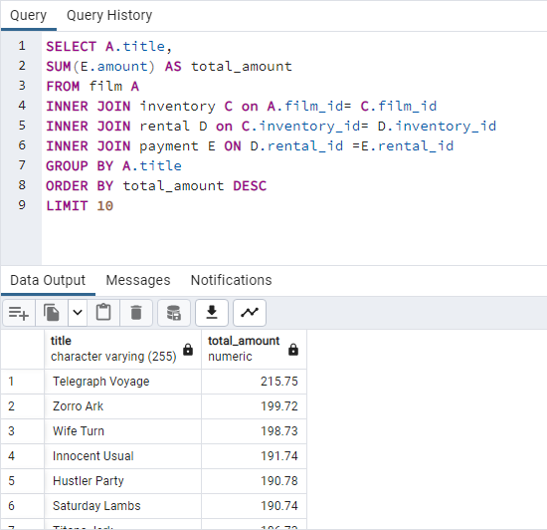
title | total_amount
Telegraph Voyage | 215.75
Zorro Ark | 199.72
Wife Turn | 198.73
Innocent Usual | 191.74
Total Ten Performing Movies
Hustler Party | 190.78
Saturday Lambs | 190.74
Titans Jerk | 186.73
Harry Idaho | 177.73
Torque Bound | 169.76
Dogma Family | 168.72

bottom 10 movies
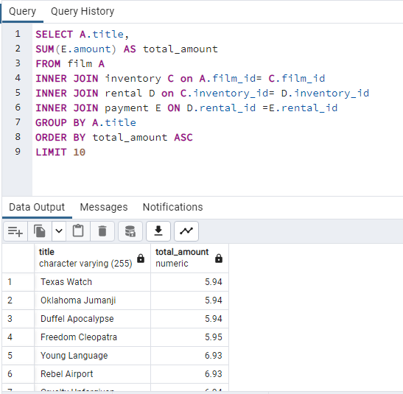
Least Performing Movies
title | total_amount
Texas Watch | 5.94
Oklahoma Jumanji | 5.94
Duffel Apocalypse | 5.94
Freedom Cleopatra | 5.95
Young Language | 6.93
Rebel Airport | 6.93
Cruelty Unforgiven | 6.94
Treatment Jekyll | 6.94
Lights Deer | 7.93
Stallion Sundance | 7.94

genres performance
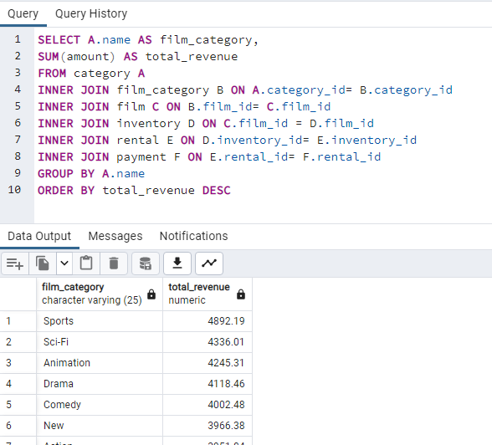
film_category | total_revenue
Sports | 4892.19
Sci-Fi | 4336.01
Animation | 4245.31
Drama | 4118.46
Comedy | 4002.48
New | 3966.38
Action | 3951.84
Foreign | 3934.47
Games | 3922.18
Family | 3830.15
Documentary | 3749.65
Horror | 3401.27
Classics | 3353.38
Children | 3309.39
Travel | 3227.36
Music | 3071.52

